case NI
case Bu Herni:
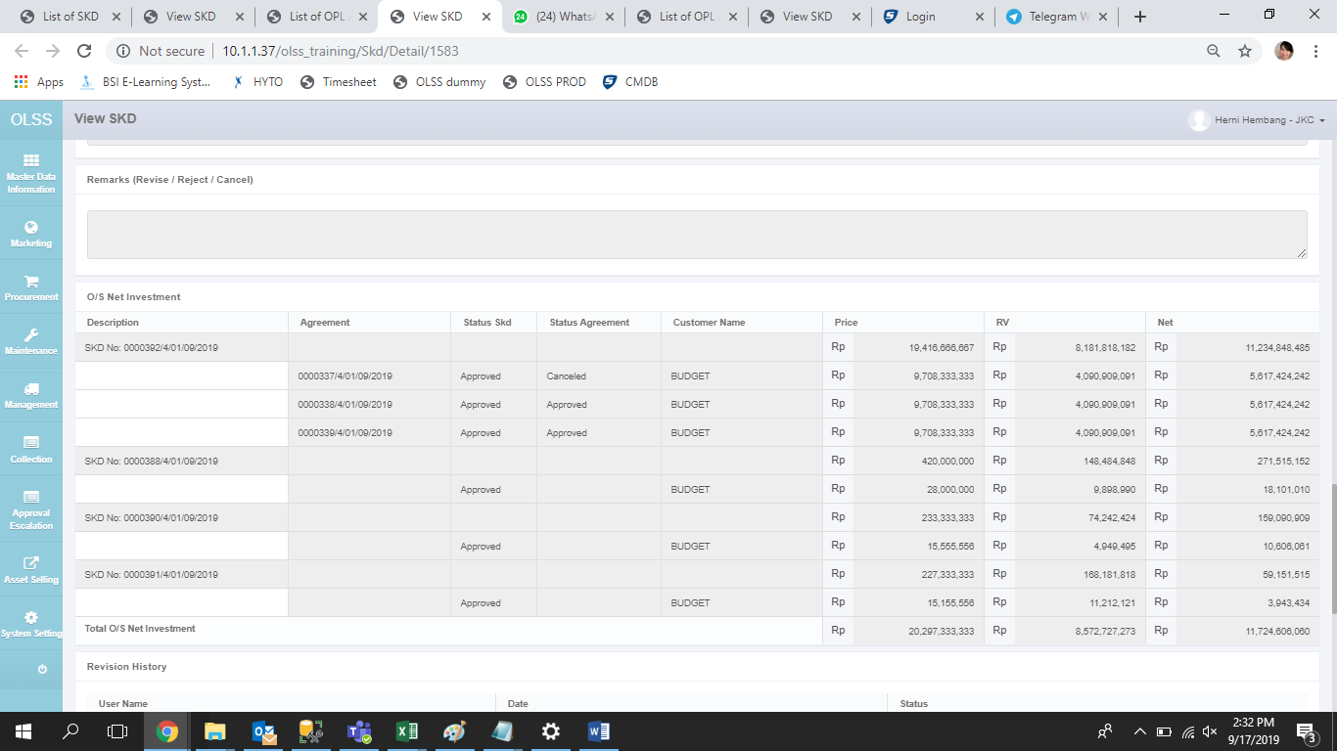

yang seharusnya muncul: | http://10.1.1.37/olss_training/Skd/Detail/1583
Description | Agreement | Status SKD | Status Agreement | Customer Name | Price | RV | Net
SKD No: 0000392/4/01/09/2019 |  | Approved |  | BUDGET | 11,650,000,000.00 | 4,909,090,909.09 | 6,740,909,090.91
 | 0000337/4/01/09/2019 |  | Cancelled | BUDGET | 5,825,000,000.00 | 2,454,545,454.55 | 3,370,454,545.45
 | 0000338/4/01/09/2019 |  | Approved | BUDGET | 5,825,000,000.00 | 2,454,545,454.55 | 3,370,454,545.45
 | 0000339/4/01/09/2019 |  | Approved | BUDGET | 5,825,000,000.00 | 2,454,545,454.55 | 3,370,454,545.45

case di SIT
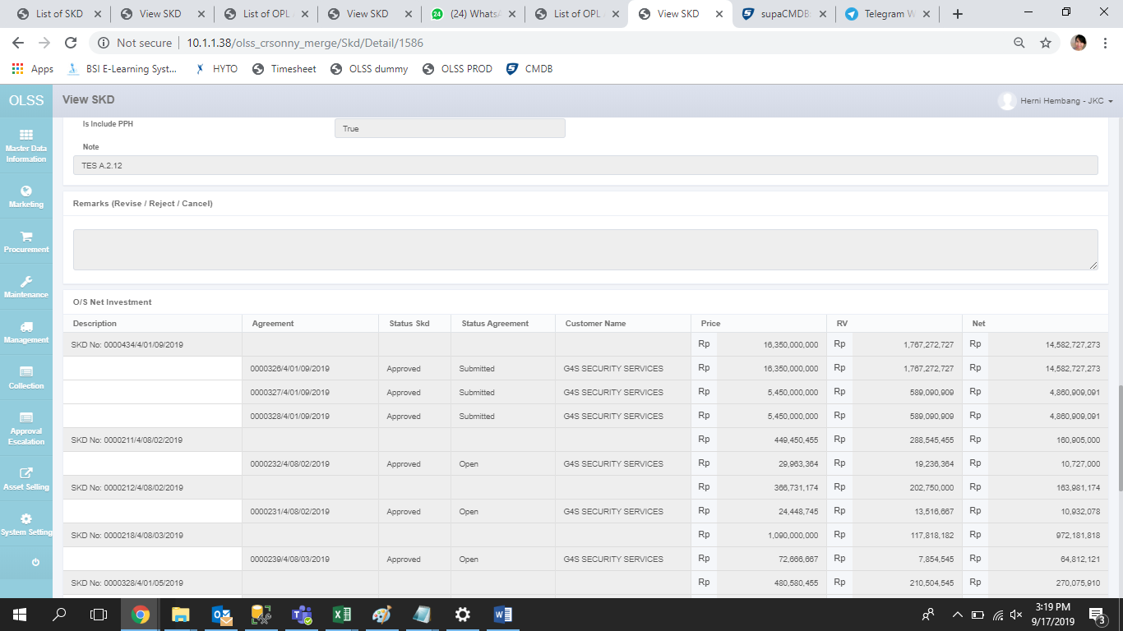

http://10.1.1.38/olss_crsonny_merge/Skd/Detail/1586
Description | Agreement | Status SKD | Status Agreement | Customer Name | Price | RV | Net
SKD No: 0000434/4/01/09/2019 |  | Approved |  | G4S SECURITY SERVICES | 16,350,000,000.00 | 1,767,272,727.27 | 14,582,727,272.73
 | 0000326/4/01/09/2019 |  | Submitted | G4S SECURITY SERVICES | 5,450,000,000.00 | 589,090,909.09 | 4,860,909,090.91
 | 0000327/4/01/09/2019 |  | Submitted | G4S SECURITY SERVICES | 5,450,000,000.00 | 589,090,909.09 | 4,860,909,090.91
 | 0000328/4/01/09/2019 |  | Submitted | G4S SECURITY SERVICES | 5,450,000,000.00 | 589,090,909.09 | 4,860,909,090.91

